CAL
FOOD |  |  | SIZE/MEASUREMENT GAUGE
CAT | WHAT | CALS | What/Measurement | Gauge
ALCOHOL | Blue Moon 120z | 171 | 1 ounce of poultry or meat | a matchbox
ALCOHOL | Budlight 12oz | 110 | 3 ounces of poultry or meat | a deck of cards or a bar of soap
ALCOHOL | Champagne {glass} | 95 | 1 ounce of cheese | four dice
ALCOHOL | Corona | 149 | A medium potato | a computer mouse
ALCOHOL | Corona Lite | 109 | 1 cup of pasta | a tennis ball
ALCOHOL | Lawnmower | 150
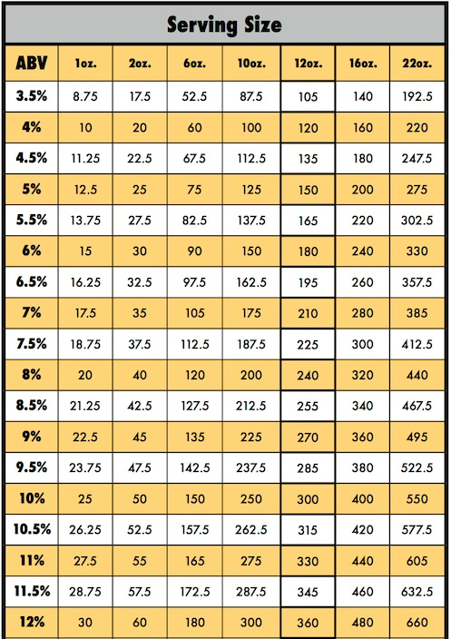
ALCOHOL | Live Oak | 208
ALCOHOL | Red Wine {glass} | 125
ALCOHOL | Tequila {1 shot} | 69
ALCOHOL | Under the Radar | 260
ALCOHOL | Vodka {1 shot} | 64
ALCOHOL | Weisse Versa | 156
BREAD | 40 Cal Honey Wheat 45g | 80
BREAD | Corn Bread | 141
BREAD | Corn Tortilla | 62
BREAD | Dark Rye Bread | 80
BREAD | Flour tortilla | 140
BREAD | Hawaiian buns | 150
BREAD | Hawaiian rolls | 90
CONDMNT | Mayo - 1T | 90
DAIRY | Blue Bunny | 90
DAIRY | Espresso Cheese 1oz | 120
DAIRY | Goat Cheese (1oz) | 103
DAIRY | HEB Colby Jack 1 slice | 80
DAIRY | Mac Cheese 1C | 310
DAIRY | Merlot Cheese 1oz | 120
DAIRY | Provolone HEB (2 slices) | 100
FRUIT | Blackberries | 3
FRUIT | Clementine | 35
FRUIT | Grapes | 2
FRUIT | Pineapple Wedge | 14
FRUIT | Raspberries | 1
FRUIT | Strawberries | 4
MEAT | barbacoa | 235
MEAT | Chicken Leg per 1oz | 61
MEAT | Chk Steak (3 oz) | 395
MEAT | Crawfish (per craw) | 3
MEAT | Drumstick 91g | 167
MEAT | Egg 50g | 70
MEAT | HEB Bacon | 60
MEAT | HEB Beef | 240
MEAT | Pastrami - HEB (2oz) | 90
MEAT | Pork Ribs (4oz) | 210
MEAT | Pork Taco Meat (4oz) | 250
MEAT | Pulled pork 2oz | 277
MEAT | Steak {3 oz} | 227
MEAT | HEB Beef 93% Lean (112g) | 170
NUTS | Almond | 7
NUTS | Candid Walnuts | 14
NUTS | Pistachio | 4
NUTS | Salted Pistachio | 17
SPICE | Rosemary 1T | 2
SPICE | Thyme 1tsp | 1
VASAYO | Core | 0
VASAYO | V3 | 20
VASAYO | Vslim - Blueberry Pom | 20
VASAYO | Vslim - Orange | 25
VEGGIE | Asparagus | 3
VEGGIE | Asparagus | 25
VEGGIE | Avocado Calavo 30g (1/5) | 50
VEGGIE | Cilantro (1/4 C) | 1
VEGGIE | Cob Corn 3rd | 52
VEGGIE | Corn on the cob | 155
VEGGIE | Fingerling Potato | 70
VEGGIE | Garlic | 5
VEGGIE | Green Bean | 105
VEGGIE | Jalapeno (1 MED) | 18
VEGGIE | Onion (Med) | 44
VEGGIE | New Potato | 30
VEGGIE | Mash Potato 1C / 242g | 214
VEGGIE | Spinach 1C | 7
VEGGIE | Cucumber 4oz | 4
VEGGIE | Red Onion 1T | 4

